COMP design
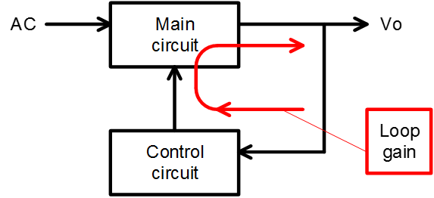
 |  |  |  |  |  |  |  |  | 19-09-30
 | FA1Axx Phase compensation design tool (Rev.1.0)

 | (Note)
 | The result by this design tool is reference data for design support and does not guarantee any operation or characteristics.
 | Please decide each components value after evaluate on acutual PSU.

 |  |  | Input cell
1. Condition input
 | Vin | 264 | Vac | *Usually, input the highest line voltage.
 | Line freq. | 50 | Hz | *50Hz, if rated line frequency is 50Hz or 60Hz.
 | PFC inductor | 140 | uH
 | PFC_Vo | 390 | V
 | Output Power Po | 150 | W
 | Output capacitor Co | 164 | uF
 | Gm (IC erroer amp) | 80 | umho | *80umho(typ.)
 | Ton_max. (IC spec.) | 22 | us | *Read out form "Caracteristic curve" on IC
 |  |  |  | data sheet corresponding to selected RT.

2. Calucuration result
 | C5 | 1.155 | uF | *Target C5 range | 0.771 | uF | to | 1.538 | uF
 | R3 | 10.304 | kΩ
Loop gain corresponding to selected value
 | Gain |  | Gain@2*fac |  | 破線 |  | Phase |  | Phase margin |  | 破線
1 | 39.819710802 | 100 | -20.88760946 | 1 | -20.88760946 | 1 | 50.580210575 | 19.888310787 | 51.821645692 | 19.888310787 | 51.821645692
1.5 | 34.215541767 |  |  | 100 | -20.88760946 | 1.5 | 42.704279501 |  |  | 1000 | 51.821645692
2 | 29.940318902 |  |  |  |  | 2 | 38.961279085
3 | 23.733484122 |  |  |  |  | 3 | 37.120885173
5 | 16.10839149 |  |  |  |  | 5 | 40.335021128
7 | 11.479458167 |  |  |  |  | 7 | 44.649006047
10 | 7.0243110454 |  |  |  |  | 10 | 49.363096457
15 | 2.4370186722 |  |  |  |  | 15 | 52.769690762
20 | -0.65259945449 |  |  |  |  | 20 | 53.024508912
30 | -5.0410819792 |  |  |  |  | 30 | 49.860572118
50 | -11.099442412 |  |  |  |  | 50 | 40.829114801
70 | -15.619649302 |  |  |  |  | 70 | 33.273727798
100 | -20.88760946 |  |  |  |  | 100 | 25.424690687
150 | -27.335345434 |  |  |  |  | 150 | 17.89646938
200 | -32.102471151 |  |  |  |  | 200 | 13.702114429
300 | -38.97340999 |  |  |  |  | 300 | 9.2758005229
500 | -47.756100302 |  |  |  |  | 500 | 5.6104615411
700 | -53.575726193 |  |  |  |  | 700 | 4.0164716073
1000 | -59.758196864 |  |  |  |  | 1000 | 2.8148951483
 | C4 | 0.051 | uF

3. Input selected value
 | C5 | 1 | uF
 | R3 | 22 | k
 | C4 | 0.15 | uF

4. Rsult corresponding to the selected value
 | Phase margine | 51.8 | deg
 | Crossover freq. | 19.9 | Hz
 | Gain@2*line freq. | -20.9 | dB

 | * Phase margin target: around 40deg to 60deg.
 | If phase margin is large, operation is stable but response becomes slow.

 | *Gain@2*line frequency target: around -20dB
 | If gain at 2*line frequency is large, response is quick but PF is down.

